InfoSource - ZD_ISHDR
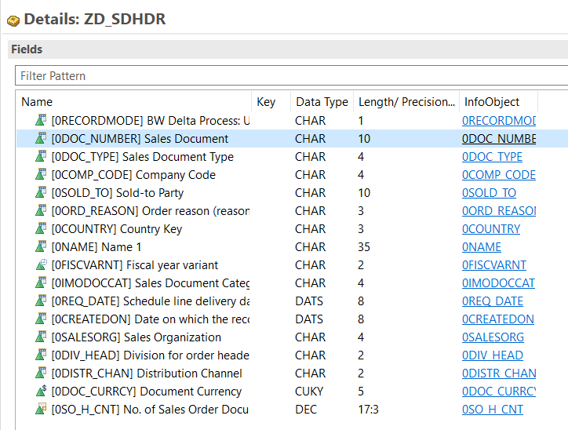
ZD_ISHDR
0RECORDMODE
0STORNO
0DOC_NUMBER
0DOC_TYPE
0COMP_CODE
0SOLD_TO
0ORD_REASON
0COUNTRY
0NAME
0FISCVARNT
0IMODOCCAT
0REQ_DATE
0CREATEDON
0SALESORG
0DIV_HEAD
0DISTR_CHAN
0DOC_CURRCY
0SO_H_CNT

ADSO - ZD_SDHDR - Structure
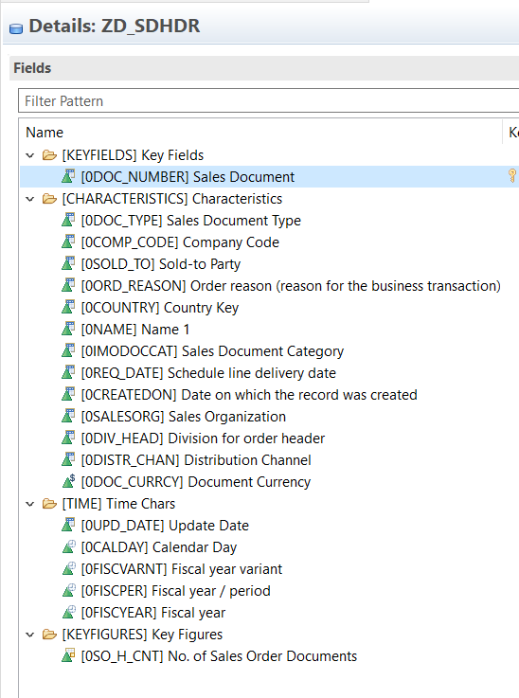
ZD_SDHDR
0DOC_NUMBER | Formula
0DOC_TYPE | 0SO_H_CNT | IF ( RECORDMODE = 'R' ; 0 ; IF ( IMODOCCAT = 'H' OR IMODOCCAT = 'K' ; NEGATIVE ( SO_H_CNT ) ; SO_H_CNT ) )
0COMP_CODE | 0UPD_DATE | SYST-DATUM
0SOLD_TO | 0RECORDMODE | IF ( RECORDMODE = 'R' ; '' ; RECORDMODE )
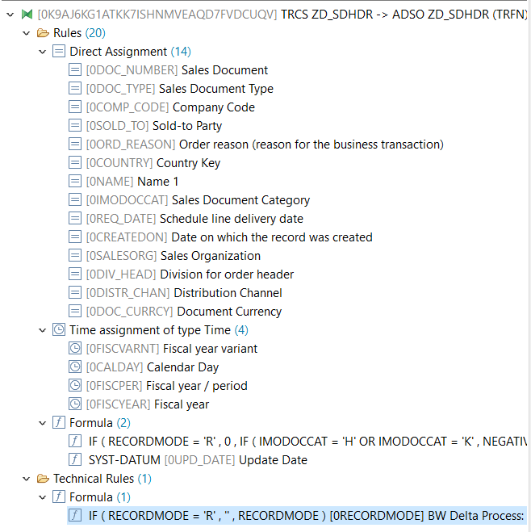
0ORD_REASON
0COUNTRY
0NAME
0IMODOCCAT
0REQ_DATE
0CREATEDON
0SALESORG
0DIV_HEAD
0DISTR_CHAN
0DOC_CURRCY
0UPD_DATE
0CALDAY
0FISCVARNT
0FISCPER
0FISCPER
0FISCYEAR
0SO_H_CNT

ADSO - ZS_SDITM - Structure
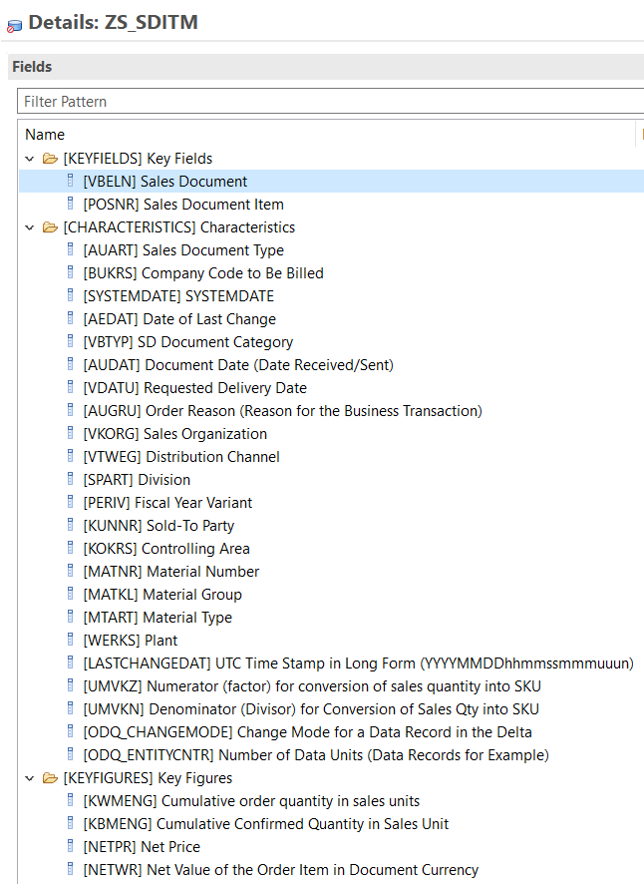

ADSO - ZD_SDITM - Structure
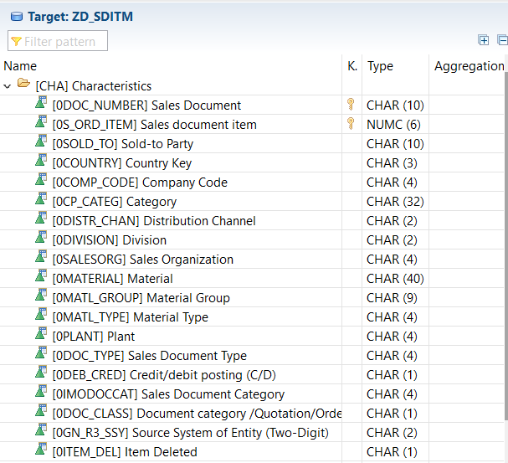
ZD_SDITM
0DOC_NUMBER | Formula
0S_ORD_ITEM | 0NET_VALUE | IF ( IMODOCCAT = 'H' OR IMODOCCAT = 'K' ; NEGATIVE ( NET_VALUE ) ; NET_VALUE )
0SOLD_TO
0COUNTRY
0COMP_CODE | 0ITEM_DEL | IF ( RECORDMODE = 'R' ; 'X' ; '' )
0CP_CATEG | 0DEB_CRED | IF ( IMODOCCAT = 'H' OR IMODOCCAT = 'K' ; 'C' ; 'D' )
0ORD_REASON | 0DOC_CLASS | IF ( IMODOCCAT = 'B' ; 'Q' ; 'O' )
0DISTR_CHAN
0DIVISION | 0RECORDMODE | IF ( RECORDMODE = 'R' ; '' ; RECORDMODE )
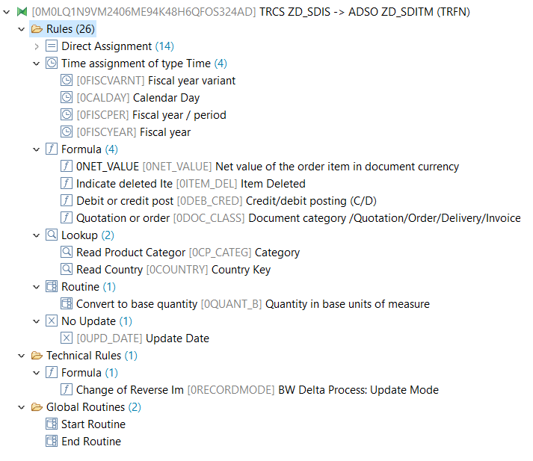
0SALESORG
0MATERIAL
0MATL_GROUP
0MATL_TYPE
0PLANT
0DOC_TYPE
0DEB_CRED
0IMODOCCAT
0DOC_CLASS
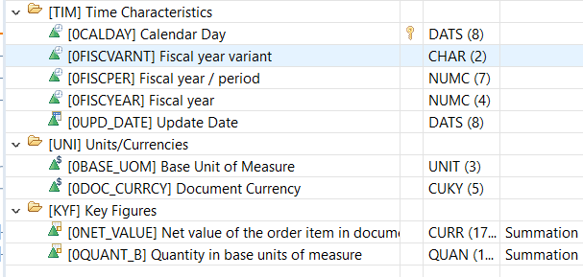
0GN_R3_SSY
0ITEM_DEL
0CALDAY
0FISCVARNT
0FISCPER
0FISCYEAR
0UPD_DATE
0BASE_UOM
0DOC_CURRCY
0NET_VALUE
0QUANT_B

